Bug logging 1
Topic/Title | the page unresponsive
Bug description | the page becomes unresponsive when clicking on the numbers of results
Severity | Major
Priority | Medium
Steps to reproduce | - Open https://academybugs.com/find-bugs/ - Click on the buttons to show a certain number of results at the top left - Click number 10 and 50 not working
Expected result | The selected number of results is displayed according to the clicked buttons
Actual result | The page freezes when clicking on the numbers of results
Attachment/ Screenshot/ Video | 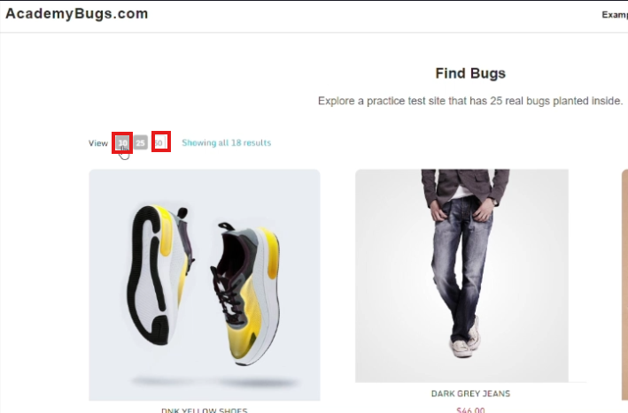
Test URL | https://academybugs.com/find-bugs/#

Bug logging 2
Topic/Title | the grand total is wrong
Bug description | the grand total is $100 more than the sum of all products in the cart.
Severity | Critical
Priority | High
Steps to reproduce | Open https://academybugs.com/find-bugs/ Add one or more products to the cart Click the "View cart" link on top of the page, or click "Continue to Shipping" in the checkout details page
Expected result | The grand total is equal to the sum of all products in the cart
Actual result | the grand total is $100 more than the sum of all products in the cart.
Attachment/ Screenshot/ Video | 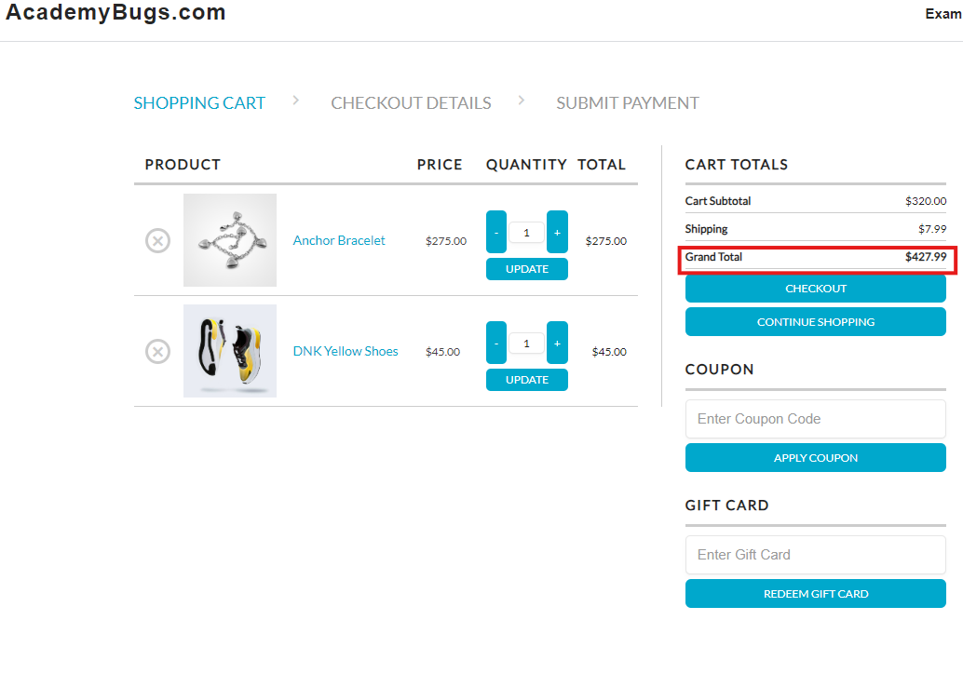
Test URL | https://academybugs.com/find-bugs/#

